Candidate Record
Web page reviewed | https://investors.cvshealth.com/investors/default.aspx

WCAG guideline reference | Description of defect | How to remediate | Screenshot | High/Low Importance
1.1.1 | Images must have descriptive alt text Path #_ctrl0_ctl90_divModuleContainer > div > div > div.module-review_wrap > div.module-review_img | Add alt text to the image element. |  | High
1.1.1 | No alt-text in the images element. | Add alt text to the image element. | 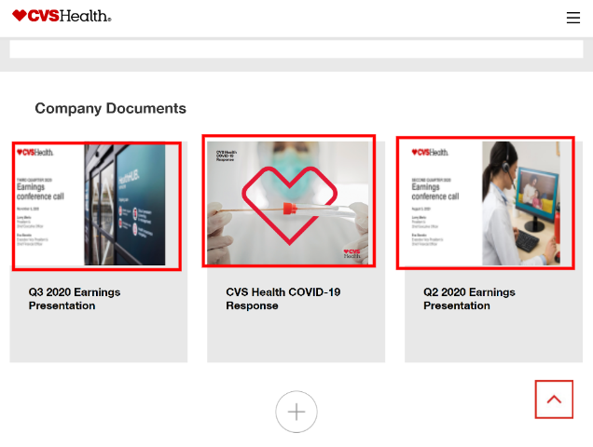 | High
2.4.7 | The focus is not available on most of the elements throughout the page contents. For instance, the focus is not visible on the logo and on the navigation items in the top | Make sure the default focus styles are not hidden in the CSS. | 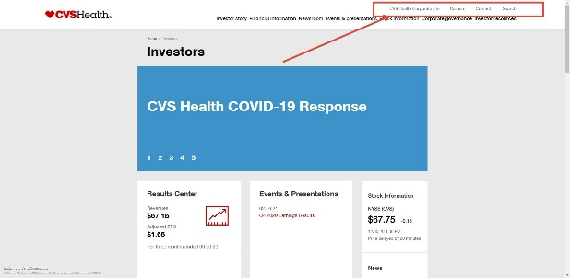 | High
2.1.1 | There are one or more instances where the control is not interactive with keyboard alone. | Make sure the control is interactive with keyboard alone. Using native elements such as <button> or anchor <a> makes the element keyboard focussable by default. If faux elements are used, make sure there is tabindex="0" attribute on the element. |  | High
1.4.3 | There are instances where the text is not of sufficient contrast with the background. For instance, the "investors" text on the breadcrumb navigation does not meet the minimum contrast requirement of 4.5:1. Currently it is 3.4:1 since the foreground color is #8C8C8C with a white #FFFFFF background | Ensure that the color contrast is atleast 4.5:1 for this font size | 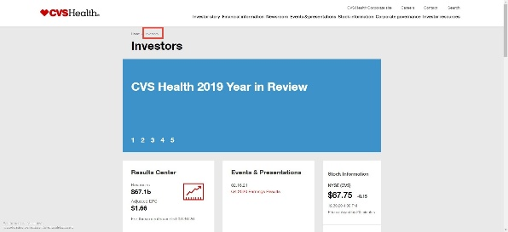 | Low
1.3.1 | The breadcrumb navigation is not identified by the screen reader users. | Since breadcrumbs provide a navigation, it’s a good idea to add a meaningful label such as aria-label="breadcrumb" to describe the type of navigation provided in the <nav> element, as well as applying an aria-current="page" to the last item of the set to indicate that it represents the current page. | 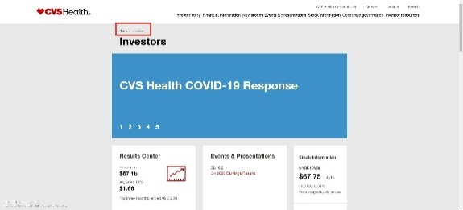 | Low
2.2.2 | The auto updating carousel on the screen does not have a mechanism to pause, stop or hide the content. | Ensure that there is a button to stop the auto updating content | 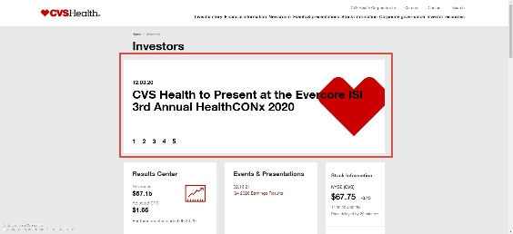 | High
2.4.3 | The focus does not move to the updated content after the user triggers the "+" button on the screen. | The focus should move to the first item that gets displayed upon activating the "+" button on the screen. | 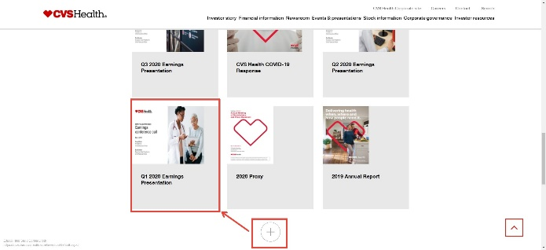 | Low
2.4.4 | The social media links are not identified by the screen reader users. This is because the anchor tag is missing an text description. | Provide an aria-label on the <a> tag and add meaningful content such as "Facebook" | 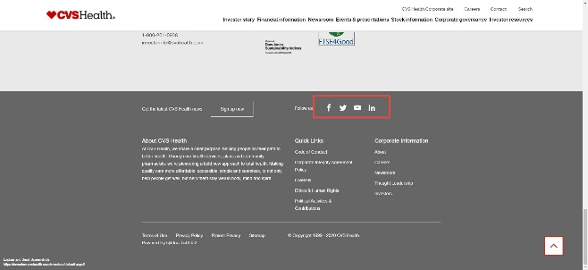 | Low
1.3.1 | There are instances where there is a use of implicit headings. Screen reader users are unable identify "Quick Links" and "Corporate information" as headings. | Ensure that native heading tags such as <h2> are used in this case. | 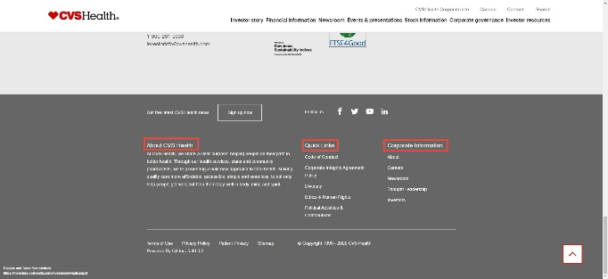 | Low
4.1.1 | There are one or more instances of missing ID's on the page. For instance, the pagination controls on the carousel are missing ID's. | Ensure that the ID's are not duplicate and there are no missing ID's in cases where those ID's are used by another element to point to this element. | 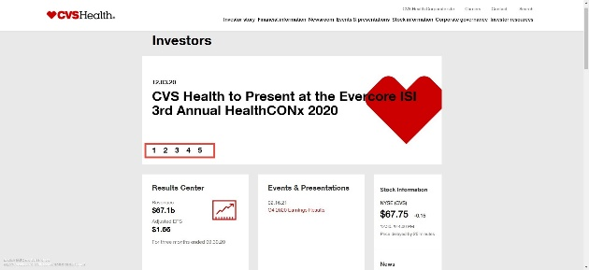 | Low
1.4.12 | Upon resizing the text, the pagination on carousel overlaps with the image on the carousel. | Ensure there is no overlapping content on the page when the text spacing is increased as per WCAG criterion. |  | Low
 | Upon resizing the text, the images get streteched out and the text inside the images is not readable. | Ensure the text inside the images is visible upon resizing the text | 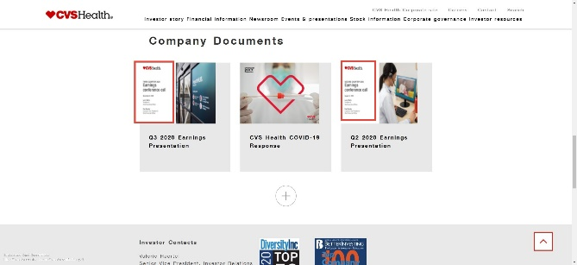 | Low
1.4.4 | Upon zooming the page by 200%, the pagination dots on the carousel are not visible. | Ensure there is no loss of content when the user zooms the page to 200% | 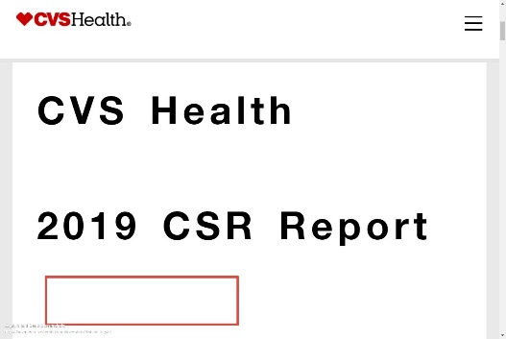 | Low
 | Upon zooming the page by 200%, the text inside the images is not readable prperly due to pixalation of the images | Ensure that the text inside images is not used since some users may increase the zoom size and that will lead to loss in content | 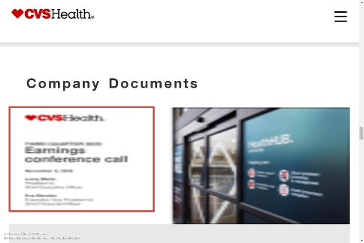 | Low
1.4.5 | There are one or more instances where the text inside the images are used. | Ensure that the text inside the images is not used since some users increase the font size or zoom the page and with text inside the images, it would lead to inaccess of the content | 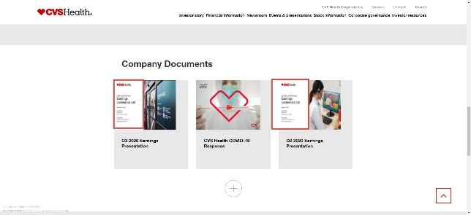 | Low

